C. S to RF
Price Sensitivity to Risk Free Rate
 | FSLB Call | BSM Call
0.01 | 10.743675035 | 18.711279046
0.0125 | 10.90831347 | 18.85497621
0.015 | 11.074236203 | 18.999116585
0.0175 | 11.241451839 | 19.143695637
0.02 | 11.409968964 | 19.288708808
0.0225 | 11.579796147 | 19.434151507
0.025 | 11.750941935 | 19.580019117
0.0275 | 11.92341485 | 19.726306995
0.03 | 12.09722339 | 19.87301047
0.0325 | 12.272376021 | 20.020124845
0.035 | 12.448881175 | 20.1676454
0.0375 | 12.626747251 | 20.31556739
0.04 | 12.805982608 | 20.463886046
0.0425 | 12.986595563 | 20.612596578
0.045 | 13.168594389 | 20.761694172
0.0475 | 13.351987311 | 20.911173995
0.05 | 13.536782506 | 21.061031193
0.0525 | 13.722988093 | 21.211260891
0.055 | 13.910612138 | 21.361858196
0.0575 | 14.099662647 | 21.512818199
0.06 | 14.290147562 | 21.664135972
0.0625 | 14.48207476 | 21.815806569
0.065 | 14.675452052 | 21.96782503
0.0675 | 14.870287174 | 22.12018638
0.07 | 15.06658779 | 22.27288563
0.0725 | 15.264361484 | 22.425917777
0.075 | 15.463615763 | 22.579277804
0.0775 | 15.664358046 | 22.732960684
0.08 | 15.866595671 | 22.886961377
0.0825 | 16.070335882 | 23.041274836
0.085 | 16.275585833 | 23.195895999
0.0875 | 16.482352583 | 23.3508198
0.09 | 16.690643091 | 23.506041163
0.0925 | 16.900464216 | 23.661555002
0.095 | 17.111822715 | 23.817356228
0.0975 | 17.324725235 | 23.973439745
0.1 | 17.539178316 | 24.129800451
0.1025 | 17.755188385 | 24.28643324
0.105 | 17.972761753 | 24.443333001
0.1075 | 18.191904614 | 24.600494624
0.11 | 18.412623043 | 24.757912991
0.1125 | 18.634922988 | 24.915582987
0.115 | 18.858810276 | 25.073499495
0.1175 | 19.084290602 | 25.231657396
0.12 | 19.311369533 | 25.390051573
0.1225 | 19.540052499 | 25.548676912
0.125 | 19.770344797 | 25.707528298
0.1275 | 20.002251586 | 25.866600621
0.13 | 20.235777882 | 26.025888772
0.1325 | 20.470928561 | 26.18538765
...

C. S to Div
Price Sensitivity to Dividend Rate
 | FSLB Call | BSM Call
0 | 13.536782506 | 21.061031193
0.0125 | 12.485492393 | 20.063203359
0.015 | 12.281950596 | 19.867388277
0.0175 | 12.080600297 | 19.672820437
0.02 | 11.881421414 | 19.479498497
0.0225 | 11.684393954 | 19.28742107
0.025 | 11.489498015 | 19.096586723
0.0275 | 11.296713787 | 18.906993978
0.03 | 11.106021557 | 18.718641311
0.0325 | 10.91740171 | 18.53152715
0.035 | 10.730834731 | 18.345649878
0.0375 | 10.546301209 | 18.161007832
0.04 | 10.363781839 | 17.9775993
0.0425 | 10.183257422 | 17.795422525
0.045 | 10.00470887 | 17.614475701
0.0475 | 9.8281172068 | 17.434756976
0.05 |  | 17.256264451
0.0525 | 9.4807292124 | 17.078996178
0.055 | 9.3098955069 | 16.902950161
0.0575 | 9.1409439446 | 16.728124359
0.06 | 8.9738561386 | 16.55451668
0.0625 | 8.8086138254 | 16.382124985
0.065 | 8.6451988667 | 16.210947088
0.0675 | 8.4835932508 | 16.040980754
0.07 | 8.323779094 | 15.872223701
0.0725 | 8.1657386425 | 15.704673597
0.075 | 8.0094542738 | 15.538328062
0.0775 | 7.8549084975 | 15.373184671
0.08 | 7.7020839572 | 15.209240946
0.0825 | 7.5509634314 | 15.046494364
0.085 | 7.4015298348 | 14.884942353
0.0875 | 7.2537662193 | 14.724582294
0.09 | 7.1076557751 | 14.565411518
0.0925 | 6.9631818316 | 14.407427309
0.095 | 6.8203278582 | 14.250626902
0.0975 | 6.6790774655 | 14.095007486
0.1 | 6.5394144058 | 13.940566202
0.1025 | 6.4013225736 | 13.787300141
0.105 | 6.2647860068 | 13.635206349
0.1075 | 6.1297888869 | 13.484281823
0.11 | 5.9963155394 | 13.334523513
0.1125 | 5.8643504348 | 13.185928323
0.115 | 5.7338781884 | 13.038493108
0.1175 | 5.604883561 | 12.892214678
0.12 | 5.4773514592 | 12.747089795
0.1225 | 5.3512669354 | 12.603115175
0.125 | 5.2266151881 | 12.460287488
0.1275 | 5.103381562 | 12.318603358
0.13 | 4.9815515481 | 12.178059363
0.1325 | 4.8611107836 | 12.038652034
...

C. S to Vol
Price Sensitivity to Volatility
 | FSLB Call | BSM Call
0.015 | 6.5262055227E-05 | 14.87705755
0.02 | 0.02141413343 | 14.87705755
0.025 | 0.17961844695 | 14.87705755
0.03 | 0.50629786303 | 14.877057551
0.035 | 0.91706039247 | 14.877057925
0.04 | 1.3396328098 | 14.877070468
0.045 | 1.7393117744 | 14.877197521
0.05 | 2.1049148278 | 14.877822511
0.055 | 2.4361521116 | 14.879768632
0.06 | 2.7368971436 | 14.884254606
0.065 | 3.0121283215 | 14.892681988
0.07 | 3.2666749403 | 14.906398026
0.075 | 3.5047771444 | 14.926530427
0.08 | 3.729992596 | 14.953913076
0.085 | 3.9452394754 | 14.989080861
0.09 | 4.1528839885 | 15.032303734
0.095 | 4.3548340162 | 15.083636723
0.1 | 4.5526242713 | 15.142971633
0.105 | 4.7474886239 | 15.210083301
0.11 | 4.940419504 | 15.284667788
0.115 | 5.1322158506 | 15.366372268
0.12 | 5.3235214774 | 15.454817538
0.125 | 5.5148556477 | 15.549614418
0.13 | 5.7066374168 | 15.65037533
0.135 | 5.8992050244 | 15.756722199
0.14 | 6.0928313722 | 15.868291598
0.145 | 6.2877364066 | 15.98473789
0.15 | 6.4840970541 | 16.10573492
0.155 | 6.6820552161 | 16.230976696
0.16 | 6.8817242235 | 16.360177366
0.165 | 7.0831940621 | 16.493070726
0.17 | 7.286535617 | 16.629409424
0.175 | 7.4918041302 | 16.768963992
0.18 | 7.6990420234 | 16.911521769
0.185 | 7.9082812108 | 17.056885796
0.19 | 8.1195449966 | 17.204873708
0.195 | 8.3328496366 | 17.355316657
0.2 | 8.5482056254 | 17.508058284
0.205 | 8.765618759 | 17.662953741
0.21 | 8.9850910142 | 17.819868778
0.215 | 9.2066212766 | 17.978678898
0.22 | 9.4302059445 | 18.139268565
0.225 | 9.6558394296 | 18.301530482
0.23 | 9.8835145731 | 18.465364923
0.235 | 10.113222991 | 18.630679118
0.24 | 10.344955361 | 18.797386697
0.245 | 10.57870166 | 18.965407176
0.25 | 10.814451363 | 19.134665481
0.255 | 11.052193603 | 19.305091529
0.26 | 11.291917309 | 19.476619829
...

C. S to TTM
Price Sensitivity to Time Remaining Until Maturity
 | FSLB Call | BSM Call
0.045 | 14.793737912 | 21.061031193
0.09 | 14.231782287 | 21.061031193
0.135 | 13.663846405 | 21.061031193
0.18 | 13.089485415 | 21.061031193
0.225 | 12.50820273 | 21.061031193
0.27 | 11.919441361 | 21.061031193
0.315 | 11.322573335 | 21.061031193
0.36 | 10.716886688 | 21.061031193
0.405 | 10.101569345 | 21.061031193
0.45 | 9.4756889901 | 21.061031193
0.495 | 8.8381677432 | 21.061031193
0.54 | 8.1877501221 | 21.061031193
0.585 | 7.5229623718 | 21.061031193
0.63 | 6.8420610087 | 21.061031193
0.675 | 6.1429688288 | 21.061031193
0.72 | 5.4231993807 | 21.061031193
0.765 | 4.6797813863 | 21.061031193
0.81 | 3.9092310836 | 21.061031193
0.855 | 3.1077513861 | 21.061031193
0.9 | 2.2723577894 | 21.061031193
0.945 | 1.4061258405 | 21.061031193
0.99 | 0.54707162031 | 21.061031193
 | 0.0023704741749 | 21.061031193

C. S to S0
Call Price Sensitivity to Initial Underlying Price
 | FSLB Call | BSM Call
1 | 5.0393776589E-62 | 4.2708712011E-53
10 | 1.7568835143E-17 | 3.5228026487E-14
20 | 1.8462302911E-09 | 2.3488019157E-07
30 | 6.8657005242E-06 | 0.00022135278727
40 | 0.00075857384053 | 0.010358634731
50 | 0.0155867148 | 0.11741319681
60 | 0.1245054448 | 0.60646384492
70 | 0.55553736259 | 1.9406065473
80 | 1.6947769503 | 4.5532193501
90 | 3.993701587 | 8.6610551899
100 | 7.8514396881 | 14.231254786
110 | 13.536782506 | 21.061031193
120 | 21.159197034 | 28.880430932
130 | 30.678109488 | 37.426634707
140 | 41.938119952 | 46.480579412
150 | 54.715722639 | 55.876232525
160 | 68.763468768 | 65.495520022
170 | 83.842706516 | 75.258144702
180 | 99.742616145 | 85.111228737
190 | 116.28776068 | 95.020757418
200 | 133.33802031 | 104.96522161

C. S to X
Call Price Sensitivity to Strike Price
 | FSLB Call | BSM Call
1 | 23.847553063 | 109.04877058
10 | 22.910210285 | 100.48770575
20 | 21.86871831 | 90.975411515
30 | 20.827226334 | 81.463128949
40 | 19.785734359 | 71.951785844
50 | 18.744242383 | 62.455170722
60 | 17.702750408 | 53.045641776
70 | 16.661258432 | 43.910728281
80 | 15.619766457 | 35.343568398
90 | 14.578274481 | 27.652775635
100 | 13.536782506 | 21.061031193
110 | 12.49529053 | 15.654380265
120 | 11.453798555 | 11.390187181
130 | 7.7457128078 | 8.1381633061
140 | 5.1828177857 | 5.7268483581
150 | 3.4373429445 | 3.9798875813
160 | 2.2626397022 | 2.7379427638
170 | 1.4799203929 | 1.8684009857
180 | 0.96281886558 | 1.2669891589
190 | 0.623680755 | 0.85503302133
200 | 0.40262152375 | 0.57497651764

C. S to M
Call Price Sentitivity to Max Stock Price
 | FSLB Call | BSM Call
1 | 24.001348765 | 21.061031193
10 | 24.001348765 | 21.061031193
20 | 24.001348765 | 21.061031193
30 | 24.001348765 | 21.061031193
40 | 24.001348765 | 21.061031193
50 | 24.001348765 | 21.061031193
60 | 24.001348765 | 21.061031193
70 | 24.001348765 | 21.061031193
80 | 24.001348765 | 21.061031193
90 | 24.001348765 | 21.061031193
100 | 24.001348765 | 21.061031193
110 | 18.178418178 | 21.061031193
120 | 13.536782506 | 21.061031193
130 | 9.9246873046 | 21.061031193
140 | 7.1718874567 | 21.061031193
150 | 5.1137681434 | 21.061031193
160 | 3.6022465721 | 21.061031193
170 | 2.5102716937 | 21.061031193
180 | 1.7330088499 | 21.061031193
190 | 1.1869356072 | 21.061031193
200 | 0.80757666003 | 21.061031193

P. S to Rf
Put Price with change to Risk-free
 | Fixed-Strike | Black Scholes
0.01 | 6.1686174215 | 17.4032849
0.0125 | 6.2267560221 | 17.222054494
0.015 | 6.2835853555 | 17.042100119
0.0175 | 6.3391150458 | 16.863419425
0.02 | 6.3933548037 | 16.686010012
0.0225 | 6.4463144231 | 16.50986943
0.025 | 6.4980037775 | 16.334995178
0.0275 | 6.5484328172 | 16.161384703
0.03 | 6.5976115652 | 15.989035404
0.0325 | 6.6455501143 | 15.817944627
0.035 | 6.6922586241 | 15.648109667
0.0375 | 6.7377473169 | 15.479527772
0.04 | 6.7820264753 | 15.312196136
0.0425 | 6.8251064387 | 15.146111903
0.045 | 6.8669975998 | 14.981272167
0.0475 | 6.9077104021 | 14.817673974
0.05 | 6.9472553361 | 14.655314315
0.0525 | 6.9856429368 | 14.494190135
0.055 | 7.0228837803 | 14.334298327
0.0575 | 7.058988481 | 14.175635735
0.06 | 7.0939676884 | 14.018199153
0.0625 | 7.1278320846 | 13.861985324
0.065 | 7.1605923808 | 13.706990944
0.0675 | 7.1922593148 | 13.553212659
0.07 | 7.2228436484 | 13.400647064
0.0725 | 7.2523561641 | 13.249290708
0.075 | 7.2808076628 | 13.099140089
0.0775 | 7.3082089607 | 12.950191658
0.08 | 7.3345708872 | 12.802441818
0.0825 | 7.3599042817 | 12.655886923
0.085 | 7.3842199914 | 12.51052328
0.0875 | 7.4075288688 | 12.366347147
0.09 | 7.429841769 | 12.223354738
0.0925 | 7.4511695472 | 12.081542217
0.095 | 7.4715230566 | 11.940905704
0.0975 | 7.4909131461 | 11.80144127
0.1 | 7.5093506575 | 11.663144942
0.1025 | 7.5268464237 | 11.526012701
0.105 | 7.5434112663 | 11.390040484
0.1075 | 7.5590559934 | 11.25522418
0.11 | 7.5737913978 | 11.121559635
0.1125 | 7.5876282544 | 10.989042653
0.115 | 7.6005773186 | 10.85766899
0.1175 | 7.6126493239 | 10.727434363
0.12 | 7.6238549805 | 10.598334442
0.1225 | 7.6342049729 | 10.470364857
0.125 | 7.6437099584 | 10.343521195
0.1275 | 7.652380565 | 10.217799002
0.13 | 7.6602273899 | 10.093193781
0.1325 | 7.6672609977 | 9.9697009957
...

P. S to Div
Put Price with change to Dividend
 | Fixed-Strike | Black Scholes
0 | 6.9472553361 | 14.655314315
0.0125 | 6.6540496755 | 15.28723799
0.015 | 6.5926238735 | 15.415139666
0.0175 | 6.5302646771 | 15.543538651
0.02 | 6.4669701032 | 15.67243129
0.0225 | 6.4027382887 | 15.801813888
0.025 | 6.3375674926 | 15.93168271
0.0275 | 6.271456098 | 16.062033981
0.03 | 6.2044026136 | 16.192863889
0.0325 | 6.1364056764 | 16.324168584
0.035 | 6.0674640528 | 16.455944179
0.0375 | 5.997576641 | 16.58818675
0.04 | 5.9267424727 | 16.720892338
0.0425 | 5.854960715 | 16.854056948
0.045 | 5.7822306719 | 16.987676552
0.0475 | 5.7085517867 | 17.121747085
0.05 |  | 17.256264451
0.0525 | 5.5583459684 | 17.391224522
0.055 | 5.4818186324 | 17.526623137
0.0575 | 5.4043416518 | 17.662456103
0.06 | 5.3259151909 | 17.798719198
0.0625 | 5.2465395631 | 17.935408169
0.065 | 5.1662152324 | 18.072518735
0.0675 | 5.0849428156 | 18.210046584
0.07 | 5.0027230829 | 18.347987379
0.0725 | 4.9195569603 | 18.486336754
0.075 | 4.8354455304 | 18.625090317
0.0775 | 4.7503900343 | 18.76424365
0.08 | 4.6643918726 | 18.903792312
0.0825 | 4.5774526068 | 19.043731835
0.085 | 4.4895739609 | 19.184057727
0.0875 | 4.4007578223 | 19.324765477
0.09 | 4.3110062431 | 19.465850547
0.0925 | 4.2203214412 | 19.60730838
0.095 | 4.1287058018 | 19.749134399
0.0975 | 4.0361618777 | 19.891324005
0.1 | 3.9426923911 | 20.033872581
0.1025 | 3.8483002341 | 20.17677549
0.105 | 3.7529884696 | 20.320028078
0.1075 | 3.6567603325 | 20.463625675
0.11 | 3.55961923 | 20.607563593
0.1125 | 3.4615687428 | 20.751837127
0.115 | 3.3626126255 | 20.896441561
0.1175 | 3.2627548072 | 21.041372161
0.12 | 3.1619993923 | 21.18662418
0.1225 | 3.060350661 | 21.332192861
0.125 | 2.9578130695 | 21.478073431
0.1275 | 2.8543912503 | 21.624261108
0.13 | 2.7500900131 | 21.7707511
0.1325 | 2.6449143446 | 21.917538602
...

Call Formula
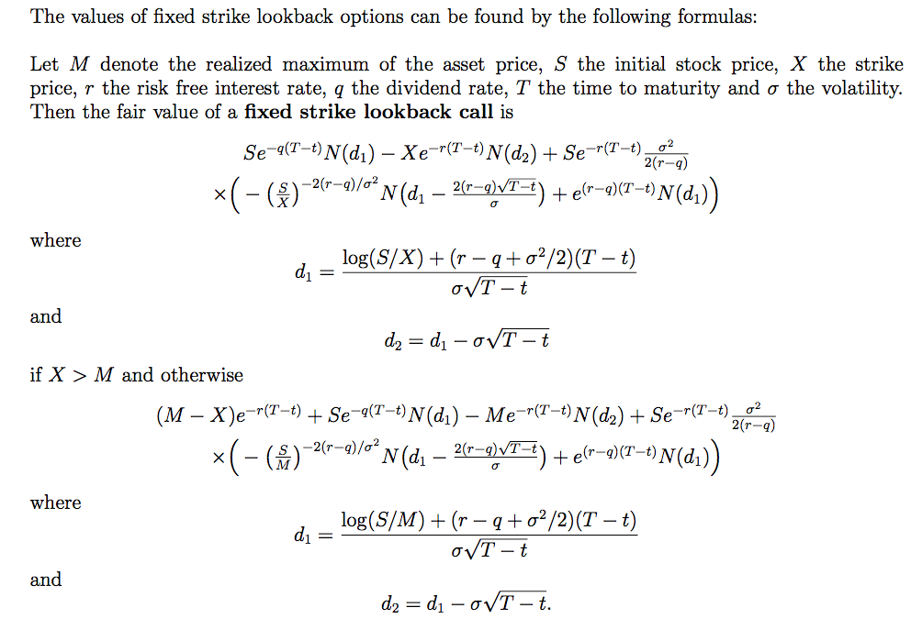
Underlying | 100 | 50
Strike Price | 110 | 50
Risk-free Rate | 0.05 | 0.1
Dividend Yield | 0 | 0
Volatility | 0.3 | 0.4
Time to Maturity | 1 | 0.25

elapsed time | 0.999999 | 0
realized maximum | 110 | 50

Remaining Time | 0.000001 |  | Remaining Time | Dim | Remaining Time | as | Double | Dim | Remaining Time | as | Double
 |  |  | Max diff |  |  |  |  | Dim | Max diff | as | Double
Yield Discounted Stock | 100 |  | Risk-free Discounted Max-diff | Dim | Yield Discounted Stock | as | Double | Dim | Risk-free Discounted Max-diff | as | Double
d1 using Strike | -0.040926018492 |  |  | Dim | d1 using Strike | as | Double
CDF Stnd Normal (d1) | 0.48367743753 |  | Yield Discounted Stock | Dim | CDF Stnd Normal (d1) | as | Double | Dim | Yield Discounted Stock | as | Double
Risk-free Discounted Strike | 109.9999945 |  | d1 using Max | Dim | Risk-free Discounted Strike | as | Double | Dim | d1 using Max | as | Double
Vola * Sqrt(Remaining Time) | 0.0003 |  | CDF Stnd Normal (d1) | Dim | Vola * Sqrt(Remaining Time) | as | Double | Dim | CDF Stnd Normal (d1) | as | Double
d2 | -0.041226018492 |  |  | Dim | d2 | as | Double
CDF Stnd Normal (d2) | 0.48355785577 |  | Risk-free discounted Max | Dim | CDF Stnd Normal (d2) | as | Double | Dim | Risk-free discounted Max | as | Double
 |  |  | d2 |  |  |  |  | Dim | d2 | as | Double
Risk-free discounted Stock | 99.999995 |  | CDF Stnd Normal (d2) | Dim | Risk-free discounted Stock | as | Double | Dim | CDF Stnd Normal (d2) | as | Double
Return-Adusted Variance |  |  |  | Dim | Return-Adusted Variance | as | Double
 |  |  | Risk-free discounted Stock |  |  |  |  | Dim | Risk-free discounted Stock | as | Double
 |  |  | Return-Adusted Variance |  |  |  |  | Dim | Return-Adusted Variance | as | Double
Asset:Strike ratio |  |  |  | Dim | Asset:Strike ratio | as | Double
inverse R-A Var |  |  |  | Dim | inverse R-A Var | as | Double
d1 using Strike |  |  | Asset:Max ratio | Dim | d1 using Strike | as | Double | Dim | Asset:Max ratio | as | Double
Volatility Quotient |  |  | inverse R-A Var | Dim | Volatility Quotient | as | Double | Dim | inverse R-A Var | as | Double
d1 - Volatility Quotient |  |  | d1 using Max | Dim | d1 - Volatility Quotient | as | Double | Dim | d1 using Max | as | Double
CDF Stnd Normal(d1 - Vola Quot) |  |  | Volatility Quotient | Dim | CDF Stnd Normal(d1 - Vola Quot) | as | Double | Dim | Volatility Quotient | as | Double
Continuous gain |  |  | d1 - Volatility Quotient | Dim | Continuous gain | as | Double | Dim | d1 - Volatility Quotient | as | Double
d1 using Strike |  |  | CDF Stnd Normal(d1 - Vola Quot) | Dim | d1 using Strike | as | Double | Dim | CDF Stnd Normal(d1 - Vola Quot) | as | Double
CDF Stnd Normal (d1) |  |  | Continuous gain | Dim | CDF Stnd Normal (d1) | as | Double | Dim | Continuous gain | as | Double
 |  |  | d1 using Max |  |  |  |  | Dim | d1 using Max | as | Double
 |  |  | CDF Stnd Normal (d1) |  |  |  |  | Dim | CDF Stnd Normal (d1) | as | Double
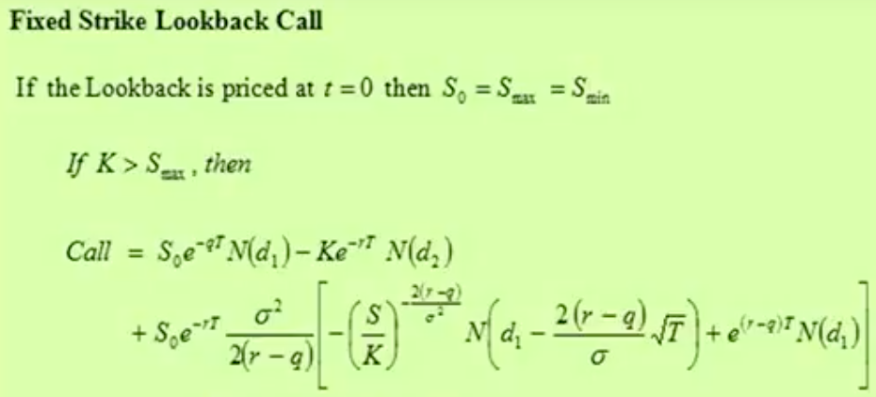
Left of Product |  |  | Left of Product | Dim | Left of Product | as | Double | Dim | Left of Product | as | Double
Right of Product |  |  | Right of Product | Dim | Right of Product | as | Double | Dim | Right of Product | as | Double
Call Price |  |  | Call Price | Dim | Call Price | as | Double | Dim | Call Price | as | Double

Put Formula
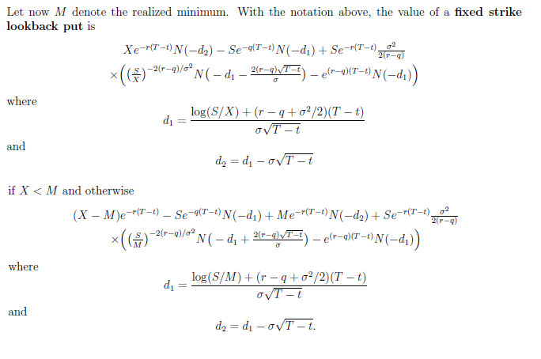
Underlying | 100 | 50 |  | 50
Strike Price | 110 | 50 |  | 50
Risk-free Rate | 0.05 | 0.1 |  | 0.1
Dividend Yield | 0 | 0 |  | 0
Volatility | 0.3 | 0.4 |  | 0.4
Time to Maturity | 1 | 0.25 |  | 0.25

elapsed time | 0 | 0 |  | 0
realized minimum | 90 | 50 |  | 50
 |  |  |  | 3.752132933

Remaining Time | 1 |  | Remaining Time
 |  |  | Max diff
Yield Discounted Stock |  |  | Risk-free Discounted Max-diff
d1 using Strike
CDF Stnd Normal (d1) |  |  | Yield Discounted Stock
Risk-free Discounted Strike |  |  | d1 using Max
Vola * Sqrt(Remaining Time) |  |  | CDF Stnd Normal (d1)
d2
CDF Stnd Normal (d2) |  |  | Risk-free discounted Max
 |  |  | d2
Risk-free discounted Stock |  |  | CDF Stnd Normal (d2)
Return-Adusted Variance
 |  |  | Risk-free discounted Stock
 |  |  | Return-Adusted Variance
Asset:Strike ratio
inverse R-A Var
d1 using Strike |  |  | Asset:Max ratio
Volatility Quotient |  |  | inverse R-A Var
d1 - Volatility Quotient |  |  | d1 using Max
CDF Stnd Normal(d1 - Vola Quot) |  |  | Volatility Quotient
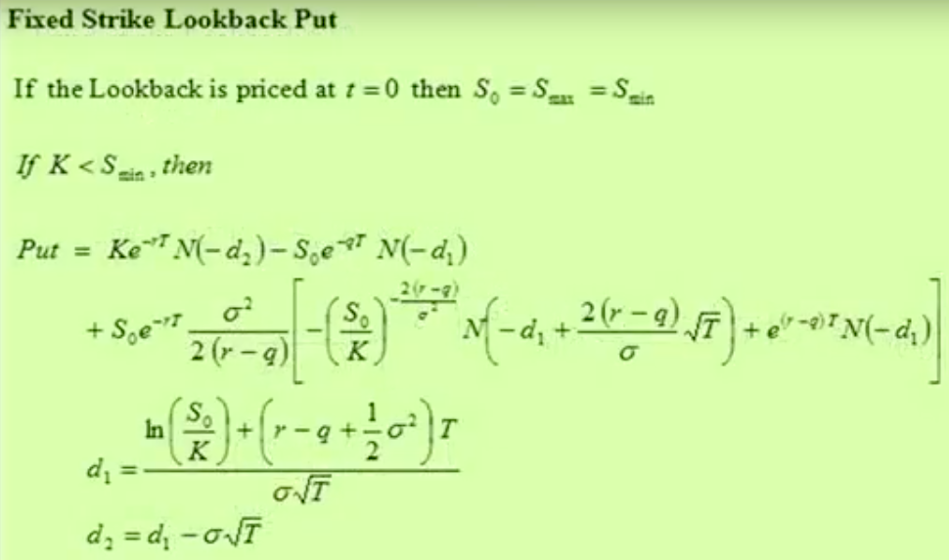
Continuous gain |  |  | d1 - Volatility Quotient
d1 using Strike |  |  | CDF Stnd Normal(d1 - Vola Quot)
CDF Stnd Normal (d1) |  |  | Continuous gain
 |  |  | d1 using Max
 |  |  | CDF Stnd Normal (d1)

Left of Product |  |  | Left of Product
Right of Product |  |  | Right of Product
Put Price |  |  | Put Price

